DASHBOARD

FIFA WORLD CUP

MOST WORLD CUPS
 | Total
Brazil | 5
Italy | 4
Germany | 4
Uruguay | 2
Argentina | 2
Spain | 1
England | 1
France | 1

GOALS SCORED IN WC
 | 2014
Home Goals | 48
Away Goals | 52
This shape represents a slicer. Slicers are supported in Excel 2010 or later.If the shape was modified in an earlier version of Excel, or if the workbook was saved in Excel 2003 or earlier, the slicer cannot be used.

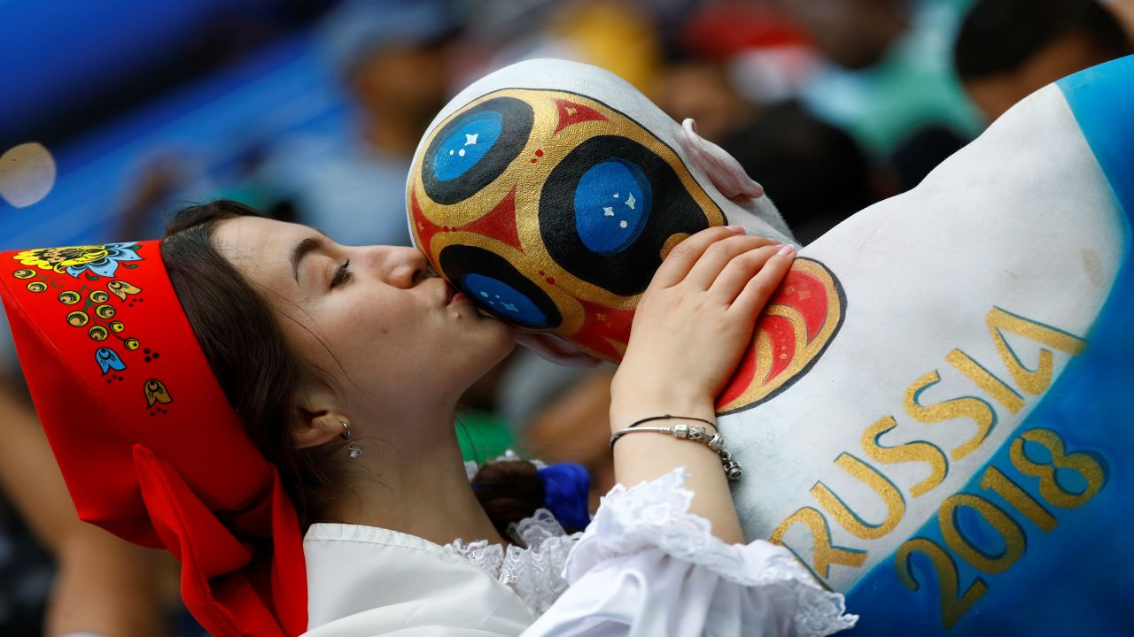

MAXIMUM ATTENDENCE
 | Total
1930 | 79867
1934 | 55000
1938 | 58455
1950 | 173850
1954 | 62500
1958 | 50928
1962 | 76594
1966 | 98270
1970 | 108192
1974 | 81100
1978 | 71712
1982 | 95000
1986 | 114600
1990 | 74765
1994 | 94194
1998 | 80000
2002 | 69029
2006 | 72000
2010 | 84490
2014 | 74738

EXTRA TIME MATCHES
 | Total
1930 | 0
1934 | 2
1938 | 3
1950 | 0
1954 | 1
1958 | 1
1962 | 0
1966 | 1
1970 | 3
1974 | 0
1978 | 0
1982 | 1
1986 | 5
1990 | 8
1994 | 4
1998 | 4
2002 | 5
2006 | 6
2010 | 4
2014 | 16

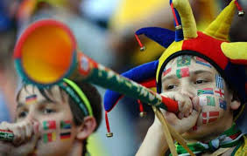

H-A GOALS TILL HT
 | Max of Half-time Home Goals | Max of Half-time Away Goals
1930 | 4 | 2
1934 | 3 | 2
1938 | 4 | 2
1950 | 4 | 2
1954 | 5 | 4
1958 | 3 | 2
1962 | 4 | 1
1966 | 3 | 3
1970 | 3 | 1
1974 | 6 | 5
1978 | 4 | 1
1982 | 3 | 1
1986 | 3 | 2
1990 | 2 | 2
1994 | 4 | 2
1998 | 3 | 2
2002 | 4 | 3
2006 | 3 | 2
2010 | 2 | 2
2014 | 3 | 5

